Indices

 | Iraq Stock Exchange
 | Bulletin No (75)
 | ISX Trading Indices of Thursday 30/4/2026

 | Traded Volume and OTC |  | 921,865,507 |  | Traded Value and OTC |  | 1,114,529,959 |  | Traders | 1144
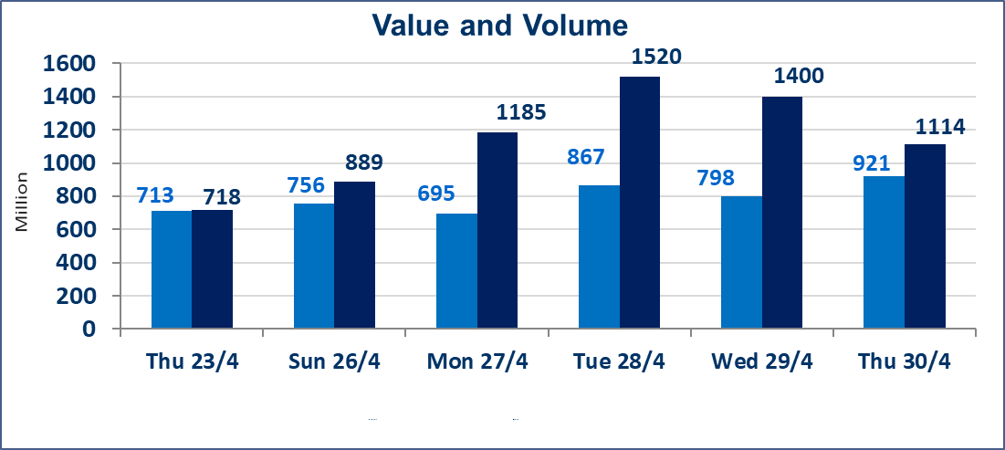
 | ISX Index 60 |  |  | 983.02 | ISX Index 15 |  |  | 1255.54
 | Previous ISX Index60 |  |  | 978.66 | Previous ISX Index15 |  |  | 1248.10
 | Change % |  |  | 0.45 | Change % |  |  | 0.60
 | Change |  |  | 4.36 | Change |  |  | 7.44

 | Listed Companies | 104 | OTC | 14 | Non Traded listed | 50 | OTC | 13
 | Traded Listed Companies | 45 | OTC | 1 | Higher Companies |  |  | 12
 | GAM Companies |  |  | 1 | Lower Companies |  |  | 9
 | Suspended Companies |  |  | 8
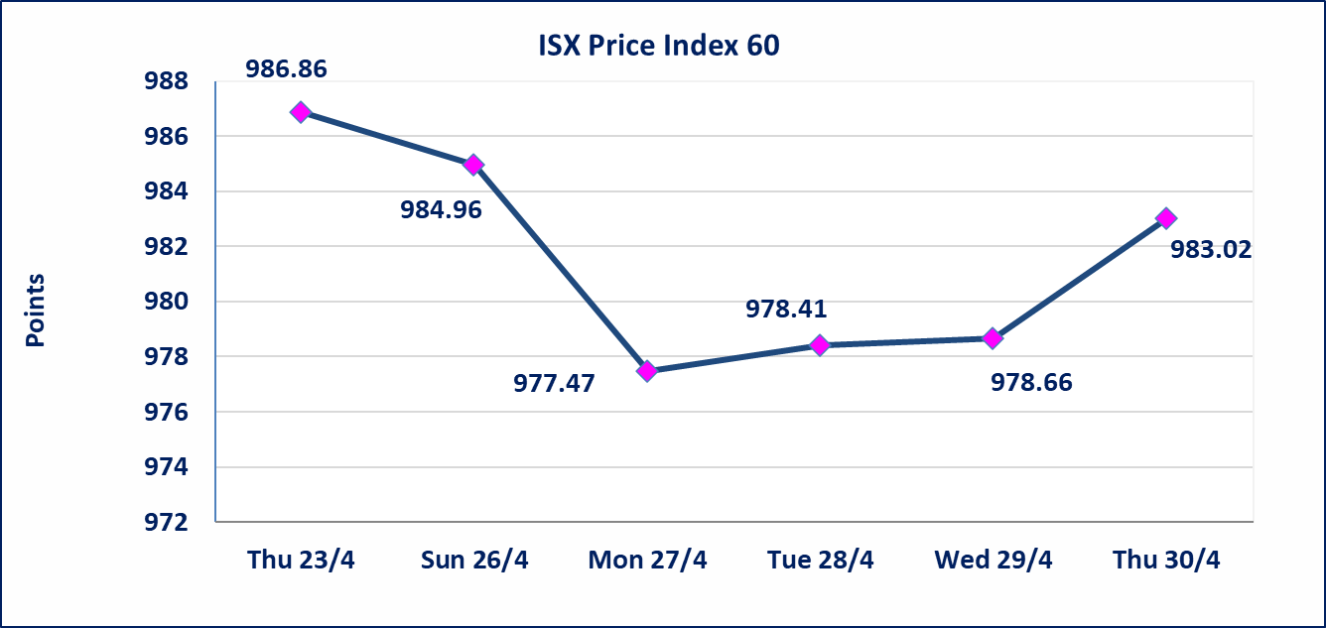
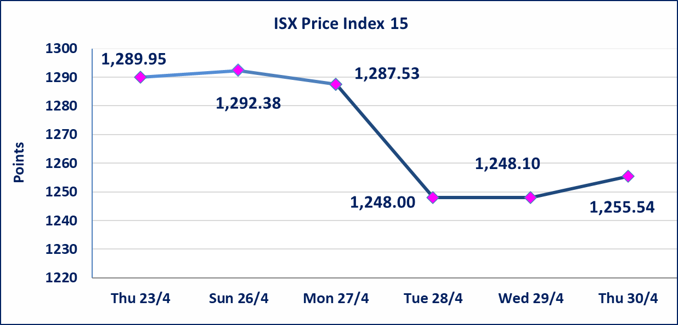

Al-Alwiya P.O . 3607 Mobile: 07711211522 - 07270094594 - 07834000034 E-mail: info-isx@isx-iq.net Web site:www.isx-iq.net

Top 5
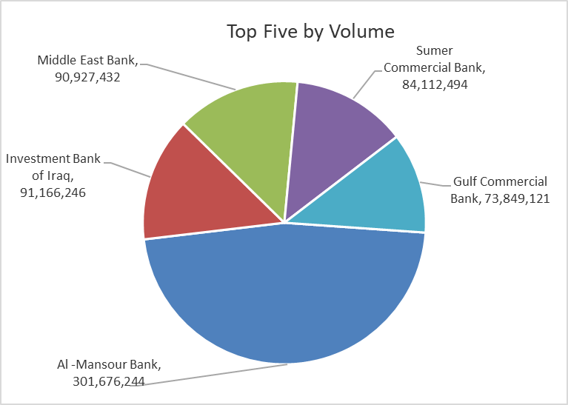
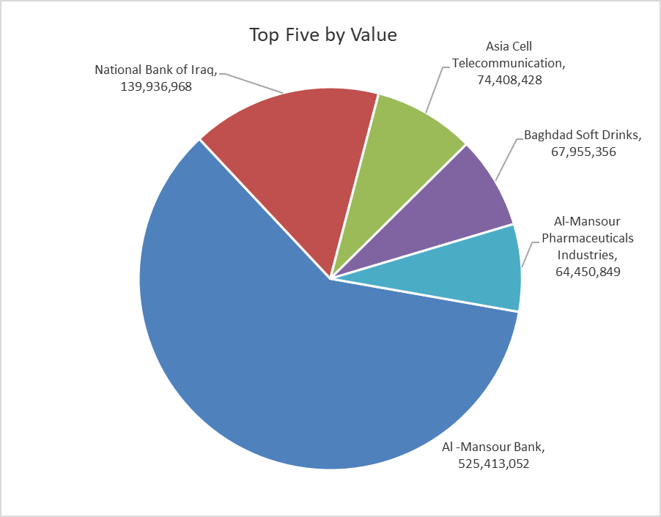

ISX top ganing and losing companies
Thursday 30/4/2026
 | Gainers |  |  |  | Losers
 | Company Name | Closing Price | Change (%) | Traded Volume | Company Name | Closing Price | Change (%) | Traded Volume
 | The Light Industries | 1.220 | 4.27 | 384,966 | AL-Badia for General Trans | 1.310 | -4.38 | 201,000
 | Al-Kindi of Veterinary Vaccines | 2.500 | 3.73 | 24,189 | Al -Khazer Construction Materials | 1.240 | -3.88 | 100,000
 | National Bank of Iraq | 4.070 | 2.52 | 34,874,304 | Iraqi Date Processing and Marketing | 2.300 | -2.95 | 553,770
 | Al -Mansour Bank | 1.750 | 2.34 | 301,676,244 | Fallujah for construction Materials | 2.700 | -1.82 | 2,298,408
 | Mamoura Realestate | 3.270 | 2.19 | 6,661,401 | Credit Bank Of Iraq | 0.570 | -1.72 | 17,751,000
 | The most active companies in term of traded volume and value

 | Traded Volume |  |  |  | Traded Value
 | Company Name | Closing Price | Change (%) | Traded Volume | Company Name | Closing Price | Change (%) | Traded Value
 | Al -Mansour Bank | 1.750 | 2.34 | 301,676,244 | Al -Mansour Bank | 1.750 | 2.34 | 525,413,052
 | Investment Bank of Iraq | 0.230 | 0.00 | 91,166,246 | National Bank of Iraq | 4.070 | 2.52 | 139,936,968
 | Middle East Bank | 0.100 | 0.00 | 90,927,432 | Asia Cell Telecommunication | 16.650 | 0.67 | 74,408,428
 | Sumer Commercial Bank | 0.190 | 0.00 | 84,112,494 | Baghdad Soft Drinks | 6.160 | -0.32 | 67,955,356
 | Gulf Commercial Bank | 0.350 | 0.00 | 73,849,121 | Al-Mansour Pharmaceuticals Industries | 2.260 | 0.00 | 64,450,849

Non Iraqis

Iraq Stock Exchange
Non Iraqis' Bulletin Thursday April 30 2026
Regular Market

Non Iraqi Trading of Regular Market (Buy)
Company Names | Code | No.of trades | Traded Shares | Trading Volume
Banks Sector
National Bank Of Iraq | BNOI | 2 | 415,175 | 1,650,995
Al-Mansour Bank | BMNS | 2 | 65,000 | 113,650
Total Bank sector |  | 4 | 480,175 | 1,764,645
Industry Sector
Baghdad Soft Drinks | IBSD | 1 | 100 | 618
Total Industry sector |  | 1 | 100 | 618
Grand Total |  | 5 | 480,275 | 1,765,263

Non Iraqi Trading of Regular Market (Sell)
Company Names | Code | No.of trades | Traded Shares | Trading Volume
Banks Sector
National Bank Of Iraq | BNOI | 30 | 2,750,000 | 11,032,500
Total Bank sector |  | 30 | 2,750,000 | 11,032,500
Industry Sector
Baghdad Soft Drinks | IBSD | 1 | 100 | 617
Total Industry sector |  | 1 | 100 | 617
Grand Total |  | 31 | 2,750,100 | 11,033,117

Non Iraqi Trading of Second Market (BUY)
Company Names | Code | No. of trades | Traded Volume | Traded Value
Banks Sector
Region Trade Bank | BRTB | 4 | 800,000 | 808,000
Total Bank sector |  | 4 | 800,000 | 808,000
Grand Total |  | 4 | 800,000 | 808,000

Not Trading Bonds

Iraq Stock Exchange
Thursday 30/4/2026
Not Trading Bonds Bulletin
Bond type | Publish type | Code | last trading price | immortilize date
Banaa Bonds /Million ID | Second | CB20 | 964,981 | 19/12/2025
Eamar Bonds /Million ID | First | CB30 | 1,001,095 | ــــــــــــــــ
Eamar Bonds /Million ID | Second | CB40 | ــــــــــــــــ | ــــــــــــــــ
Eamar Bonds /500 Thousand ID | Third | CB45 | ــــــــــــــــ | ــــــــــــــــ
Eamar Bonds /Million ID | Third | CB50 | ــــــــــــــــ | ــــــــــــــــ
Injaz Bonds /500 Thousand ID | First | CB55 | ــــــــــــــــ | ــــــــــــــــ
Injaz Bonds /Million ID | First | CB60 | 951,110 | ــــــــــــــــ
Injaz Bonds /500 Thousand ID | Second | CB65 | 507,301 | ــــــــــــــــ
Injaz Bonds /Million ID | Second | CB70 | 965,050 | ــــــــــــــــ
Injaz Bonds /500 Thousand ID | Third | CB75 | ــــــــــــــــ | ــــــــــــــــ
Injaz Bonds /Million ID | Third | CB80 | 978,182 | ــــــــــــــــ
National Bonds/Million ID | First | CB90 | ــــــــــــــــ | ــــــــــــــــ
National Bonds/500 Thousand ID | Second | CB95 | ــــــــــــــــ | ــــــــــــــــ
National Bonds/Million ID | Second | CB100 | ــــــــــــــــ | ــــــــــــــــ

